Comments & Screenshot Example
Reminder: The Requestor will gather reasonable data using reasonable efforts based upon the situation and what is available. Reasonable efforts involve searching online for data from company websites or other online sources (e.g. Science.com or Science Exchange). It is not necessary to email or telephone competitors for prices. Refer to "FAQs Regarding the Fair Market Value (FMV) Analysis for ESAP" for further details.

Service 1
In this example, there is only one for-profit competitor, so we consider if additional information is needed.
As the non-profit customer rate is below the fully costed external rate + 30%, and therefore does not meet the Provost's Office Guidance, academic comparables should be provided.
In this example, there were 3 academic comparables available that are included. See screenshot example for one of these below. In your support, you will include all screenshots.

Service 2
In this example, there are no for-profit competitors or non-profit competitors available.

Service 3
In this example, there are three for-profit comparables with published rates, so no academic comparables are needed.

Narrative:
It is appropriate to include the analysis for each service in a narrative.
Refer to the FAQ on FMV Analysis for what is appropriate to include in the narrative.
https://your.yale.edu/work-yale/learn-and-grow/training/financial-training/external-sales-resources

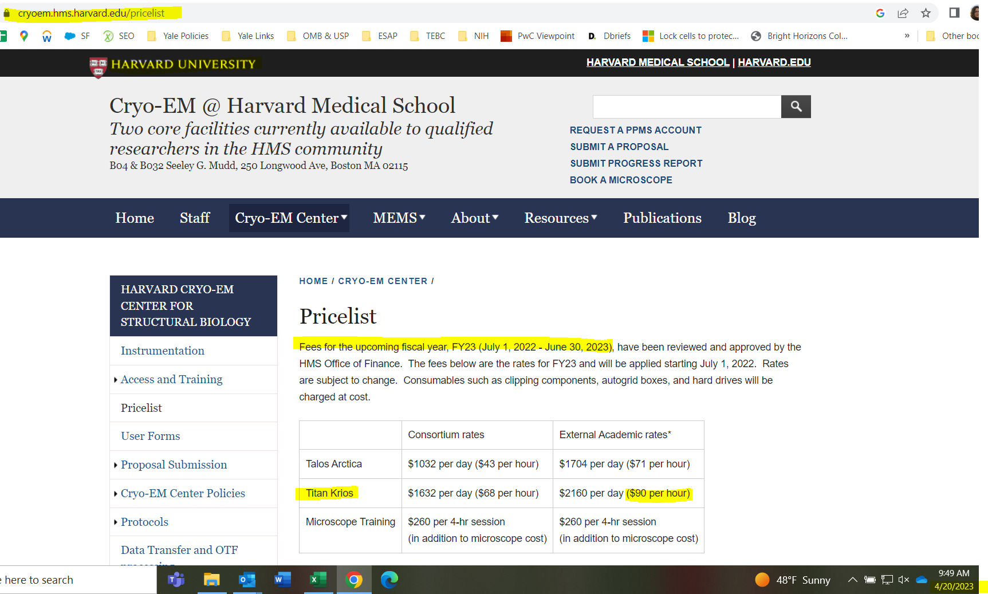
Screenshot Example:
 | <----URL

 | <----Name of academic competitor

 | <----Effective dates of service, if provided

 | <----Name of service agrees to Yale's service name. If not, add a comment to indicate which service it agrees to.
 | <----Note that no for-profit rates were offered by Harvard, so only the acadmic rate is included on the template.

 | <----Date screenshot was captured.

Disclaimer: With the exception of the Harvard screenshot above, rates are made up for purposes of this exercise.

